Contents
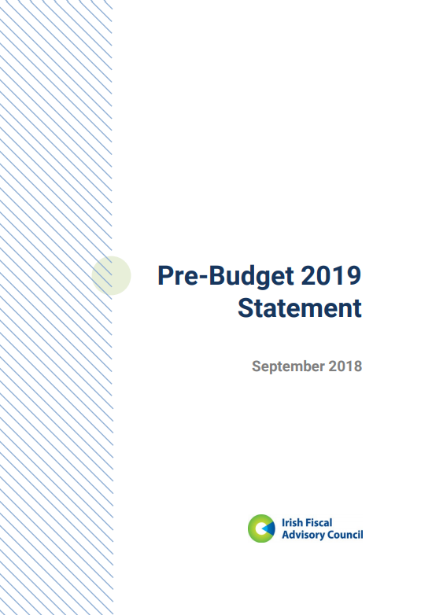

Irish Fiscal Advisory Council

Pre-Budget 2019 Statement
September 2018

Table of Contents

This database includes tables, charts and underlying data from the September 2018, IFAC Pre-Budget 2019 Statement. When using data, please refer to IFAC Pre-Budget 2019 Statement.
Disclaimer: Should there be any discrepancies with the print version, the latter represents the official version.
In case of questions, please contact: | admin@fiscalcouncil.ie

Tables
Table 1: Summary of Key Aggregates
Table 2: Exchequer Revenue, Cumulative Performance to end-August 2018
Table 3: Identifying the Appropriate Gross Fiscal Space
Table 4: Department Estimates of Fiscal Space for 2019
Table 5: Pre-Committed Expenditure Measures

Figures
Figure 1: Indicators of Economic Activity
Figure 3: The 25 Largest Net Debt Burdens in the OECD
Figure 4: A Deteriorating Structural Primary Balance
Figure 5: Central Government Revenue and Primary Expenditure
Figure 6: Spending Drift over 2015–2018

Figure 1
Figure 1: Indicators of Economic Activity
% changes in volumes, year-on-year
A. Employment B. Underlying Domestic Demand

 | Underlying Domestic Demand Vol 4QSGr.
2010 | -10.0
2010 | -8.4
2010 | -6.5
2010 | -4.7
2011 | -3.1
2011 | -2.5
2011 | -2.3
2011 | -1.6
2012 | -2.4
2012 | -2.8
2012 | -1.8
2012 | -2.3
2013 | -0.7
2013 | 0.5
2013 | 0.7
2013 | 2.3
2014 | 3.5
2014 | 4.0
2014 | 4.7
2014 | 4.0
2015 | 4.0
2015 | 3.6
2015 | 3.6
2015 | 3.3
2016 | 3.0
2016 | 3.1
2016 | 3.8
2016 | 5.0
2017 | 4.5
2017 | 4.0
2017 | 3.3
2017 | 3.6
2018 | 4.2
2018

Sources: CSO; and internal IFAC calculations.
Note: Annualised underlying domestic demand is an aggregate measure comprising consumer spending plus investment plus government consumption, which also excludes investment in intangibles and aircraft.

 |  | Employment Gr. | Underlying Domestic Demand Vol 4QSGr.
2010Q1 | 2010 | -5.7 | -10.0
2010Q2 | 2010 | -4.5 | -8.4
2010Q3 | 2010 | -3.8 | -6.5
2010Q4 | 2010 | -3.7 | -4.7
2011Q1 | 2011 | -2.9 | -3.1
2011Q2 | 2011 | -2.0 | -2.5
2011Q3 | 2011 | -2.4 | -2.3
2011Q4 | 2011 | -0.5 | -1.6
2012Q1 | 2012 | -0.9 | -2.4
2012Q2 | 2012 | -1.2 | -2.8
2012Q3 | 2012 | 0.1 | -1.8
2012Q4 | 2012 | 0.3 | -2.3
2013Q1 | 2013 | 1.6 | -0.7
2013Q2 | 2013 | 2.6 | 0.5
2013Q3 | 2013 | 3.9 | 0.7
2013Q4 | 2013 | 4.1 | 2.3
2014Q1 | 2014 | 3.1 | 3.5
2014Q2 | 2014 | 2.3 | 4.0
2014Q3 | 2014 | 2.4 | 4.7
2014Q4 | 2014 | 2.8 | 4.0
2015Q1 | 2015 | 3.3 | 4.0
2015Q2 | 2015 | 4.1 | 3.6
2015Q3 | 2015 | 3.6 | 3.6
2015Q4 | 2015 | 3.0 | 3.3
2016Q1 | 2016 | 3.4 | 3.0
2016Q2 | 2016 | 3.7 | 3.1
2016Q3 | 2016 | 3.8 | 3.8
2016Q4 | 2016 | 3.8 | 5.0
2017Q1 | 2017 | 3.7 | 4.5
2017Q2 | 2017 | 2.5 | 4.0
2017Q3 | 2017 | 2.2 | 3.3
2017Q4 | 2017 | 3.1 | 3.6
2018Q1 | 2018 | 2.9 | 4.2
2018Q2 | 2018 | 3.4

Figure 3
Figure 3: The 25 Largest Net Debt Burdens in the OECD
% GDP (incl. % GNI* for Ireland), end-2017 net general government
 | % GDP or GNI*
Korea | 6.6088841109
Czech Republic | 22.188440979
Turkey | 22.735982023
Switzerland | 23.053242501
Canada | 27.79301388
Latvia | 31.624001638
Iceland | 33.344268006
Slovakia | 40.959720045
Germany | 44.501669036
Poland | 45.62632567
Mexico | 46.12036904
Netherlands | 46.177453843
Slovenia | 51.609474538
Austria | 55.752436253
Israel | 57.928128947
Ireland (GDP) | 59.315902213
Hungary | 64.887867279
United Kingdom | 69.439296816
United States | 82.267624519
Spain | 84.967456186
France | 88.269478652
Belgium | 89.615145333
Ireland (GNI*) | 96.286606837
Portugal | 111.39698589
Italy | 119.5419255
Japan | 153.04019297

Sources: IMF (April 2018 WEO); CSO; Eurostat; and internal IFAC calculations. Greece is excluded due to the absence of net debt data.

Country | % GDP or GNI*
Korea | 6.6
Czech Republic | 22.2
Turkey | 22.7
Switzerland | 23.1
Canada | 27.8
Latvia | 31.6
Iceland | 33.3
Slovakia | 41.0
Germany | 44.5
Poland | 45.6
Mexico | 46.1
Netherlands | 46.2
Slovenia | 51.6
Austria | 55.8
Israel | 57.9
Ireland (GDP) | 59.3
Hungary | 64.9
United Kingdom | 69.4
United States | 82.3
Spain | 85.0
France | 88.3
Belgium | 89.6
Ireland (GNI*) | 96.3
Portugal | 111.4
Italy | 119.5
Japan | 153.0

Figure 4
Figure 4: A Deteriorating Structural Primary Balance
Percentage change (year-on-year)
 | Primary Balance | Structural Primary Balance
2007 | 1.295625805 | -1.2414770646
2008 | -5.7070123396 | -6.9598600134
2009 | -9.4361585176 | -7.7408233344
2010 | -8.0932024016 | -5.7892680159
2011 | -5.4727123992 | -3.6742926345
2012 | -3.8900557027 | -1.8174691864
2013 | -2.2159602494 | -0.24379068541
2014 | 0.37072501319 | 1.7866308446
2015 | 1.5293409432 | 2.5106594853
2016 | 1.5982403619 | 2.1861740037
2017 | 1.6837237768 | 1.7860815114
2018 | 1.4595851584 | 1.2493530386
2019 | 1.4791663059 | 0.96594430569
2020 | 1.7299252824 | 1.0105223468
2021 | 1.762552628 | 0.97452710609

Sources: CSO; Department of Finance (SPU 2018); and internal IFAC calculations.
Note: The structural primary balance strips out one-offs from the headline primary balance (expressed as a share of GDP) and the cyclical component is subtracted as 0.53 × the level of the Council’s mid-range output gap estimate (the same approach as adopted for CAM-based estimates).

 |  | Structural Primary Balance | Primary Balance
 | 2007 | -1.2 | 1.3
 | 2008 | -7.0 | -5.7
 | 2009 | -7.7 | -9.4
 | 2010 | -5.8 | -8.1
 | 2011 | -3.7 | -5.5
 | 2012 | -1.8 | -3.9
 | 2013 | -0.2 | -2.2
 | 2014 | 1.8 | 0.4
 | 2015 | 2.5 | 1.5
 | 2016 | 2.2 | 1.6
 | 2017 | 1.8 | 1.7
 | 2018 | 1.2 | 1.5
 | 2019 | 1.0 | 1.5
 | 2020 | 1.0 | 1.7
 | 2021 | 1.0 | 1.8

Figure 5
Figure 5: Central Government Revenue and Primary Expenditure
% change year-on-year (12-month moving sum)

Sources: Department of Finance (Analytical Exchequer Statements); and internal IFAC calculations.
Note: Transactions that do not impact the general government position are excluded. Total Revenue is Exchequer tax plus non-tax revenue plus appropriations-in-aid and excess capital resources. Primary Spending is gross Exchequer expenditure minus national debt interest. Receipt of Central Bank Surplus moved from April to May in 2016 for consistency with other years.

 | Central Government Total Revenue | Central Government Primary Expenditure
Dec-14 | 7.6 | -2.9
Jan-15 | 11.7 | -3.2
Feb-15 | 9.4 | -3.1
Mar-15 | 8.0 | -0.2
Apr-15 | 8.3 | -0.3
May-15 | 8.8 | -0.3
Jun-15 | 9.5 | -0.8
Jul-15 | 7.9 | -1.0
Aug-15 | 6.7 | -1.0
Sep-15 | 7.6 | -0.7
Oct-15 | 6.4 | -1.6
Nov-15 | 6.2 | -0.4
Dec-15 | 7.5 | 1.7
Jan-16 | 5.0 | 0.9
Feb-16 | 5.9 | 0.9
Mar-16 | 6.3 | 1.1
Apr-16 | 7.3 | 0.7
May-16 | 6.1 | 0.8
Jun-16 | 6.3 | 2.5
Jul-16 | 7.0 | 1.9
Aug-16 | 6.0 | 2.8
Sep-16 | 4.8 | 3.2
Oct-16 | 4.1 | 3.3
Nov-16 | 4.6 | 3.1
Dec-16 | 3.1 | 2.4
Jan-17 | 3.5 | 3.8
Feb-17 | 2.9 | 4.0
Mar-17 | 3.1 | 4.0
Apr-17 | 1.3 | 4.0
May-17 | 2.1 | 4.9
Jun-17 | 1.8 | 4.4
Jul-17 | 1.9 | 4.9
Aug-17 | 2.9 | 5.1
Sep-17 | 3.8 | 5.0
Oct-17 | 4.9 | 5.6
Nov-17 | 3.1 | 5.9
Dec-17 | 4.3 | 4.4
Jan-18 | 4.5 | 4.3
Feb-18 | 4.7 | 5.1
Mar-18 | 4.5 | 4.5
Apr-18 | 5.7 | 6.4
May-18 | 5.4 | 6.0
Jun-18 | 5.3 | 5.8
Jul-18 | 5.6 | 6.1
Aug-18 | 5.6 | 6.5

Figure 6
Figure 6: Spending Drift over 2015–2018
€ billion, general government expenditure over different forecast vintages
 | Budget 2015 | SPU 2015 | Budget 2016 | SPU 2016 | Budget 2017 | SPU 2017 | Budget 2018 | SPU 2018
2015 | 70.97 | 72.595 | 73.795 | 75.43 | 75.32 | 75.581 | 75.572 | 75.814
2016 | 71.545 | 72.875 | 74.05 | 73.885 | 74.55 | 74.555 | 74.553 | 74.797
2017 | 71.78 | 73.12 | 74.99 | 74.65 | 76.555 | 76.305 | 76.385 | 77.207
2018 | 72.15 | 73.5 | 75.995 | 75.625 | 78.66 | 78.315 | 79.265 | 80.08

Sources: CSO; Department of Finance; and internal IFAC calculations.
Note: Lighter grey bars indicate older forecasts; red bars indicate current estimates. Note that forecasts of expenditure produced prior to Budget 2017 were not on a so-called “ex-post” basis. This means that the Department did not include expenditure increases that would have been allowable under the fiscal rules as part of their initial forecasts. Therefore, the extent of spending drift relative to more realistic plans is overestimated.

 | 2015 | 2016 | 2017 | 2018
Budget 2015 | 71.0 | 71.5 | 71.8 | 72.2
SPU 2015 | 72.6 | 72.9 | 73.1 | 73.5
Budget 2016 | 73.8 | 74.1 | 75.0 | 76.0
SPU 2016 | 75.4 | 73.9 | 74.7 | 75.6
Budget 2017 | 75.3 | 74.6 | 76.6 | 78.7
SPU 2017 | 75.6 | 74.6 | 76.3 | 78.3
Budget 2018 | 75.6 | 74.6 | 76.4 | 79.3
SPU 2018 | 75.8 | 74.8 | 77.2 | 80.1

